Model
Acme multistage new product decisions with technological uncertainty
All monetary values (except the unit margin in cell B7) are in $1000s, and all sales volumes are in 1000s of units.
Inputs
Proability of failure | 0.2
Fixed development cost | $4,000
Fixed marketing cost | $2,000
Unit margin | $18

Market | Probability | Sales volume | Net revenue
Great | 0.45 | 600 | $10,800
Fair | 0.35 | 300 | $5,400
Awful | 0.20 | 90 | $1,620

fixed development cost | EMV
 | 59.2 |  | Data table ffor observing EMV as fixed development cost increases from $1000 to $5000.
1000 | 659.2
1500 | 559.2
2000 | $459
2500 | 359.2
3000 | 259.2
3500 | 159.2
4000 | 59.2
Great
4500 | 0 |  |  |  | 45.0% | 36.0%
5000 | 0 |  |  |  | $10,800 | 4800
Yes
 |  |  |  | TRUE | Market condition
 |  |  |  | -2000 | 1074
Fair
 |  |  |  |  | 35.0% | 28.0%
 |  |  |  |  | $5,400 | -600
Awful
 |  |  |  |  | 20.0% | 16.0%
 |  |  |  |  | $1,620 | -4380
Yes
 |  |  | 80.0% | Market product?
 |  |  | 0 | 1074
No
 |  |  |  | FALSE | 0.0%
 |  |  |  | 0 | -4000
Yes
 |  | TRUE | Technological success?
 |  | -$4,000 | 59.2
No
 |  |  | 20.0% | 20.0%
 |  |  | 0 | -4000
New product decisions
 |  | Continue development?
 |  | 59.2
No
 |  | FALSE | 0.0%
 |  | 0 | 0

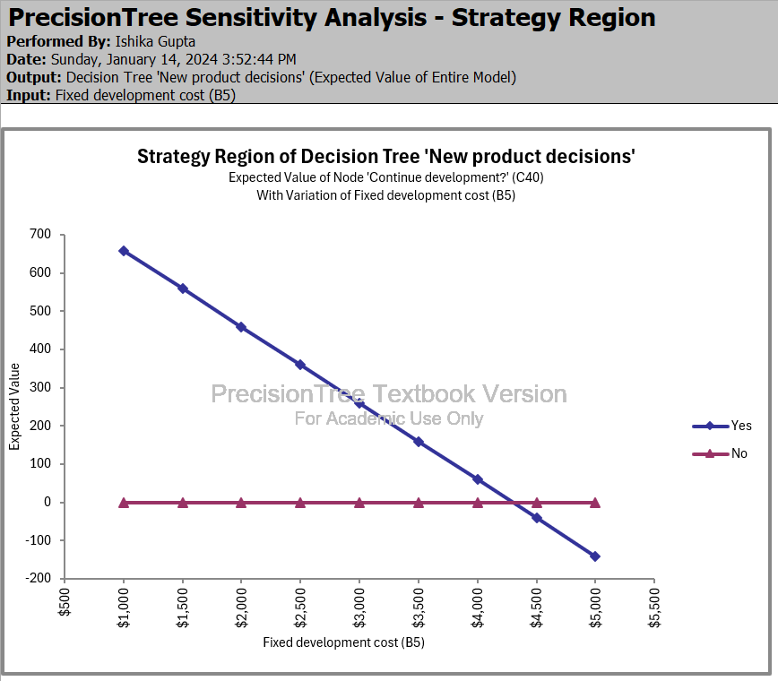
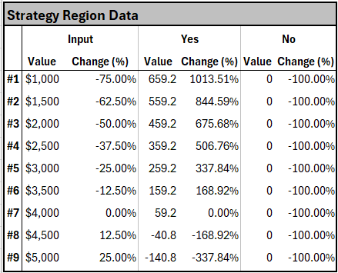
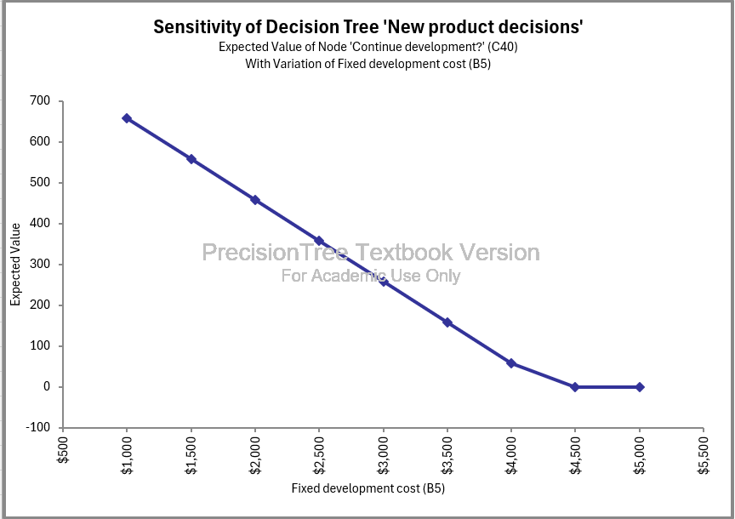

I used precision tree sensitivity analysis for this question, with the starting node as cell 'C40', which is whether the company should develop the product or not. It can be seen from the strategy graph that the company should develop the product whenever the fixed cost of production ranges from $1000 to $4000. If the fixed cost of production is greater than $4000 then the company should not develop the product.

The EMV keeps decreasing as the fixed cost of development increases from $1000 to $5000.

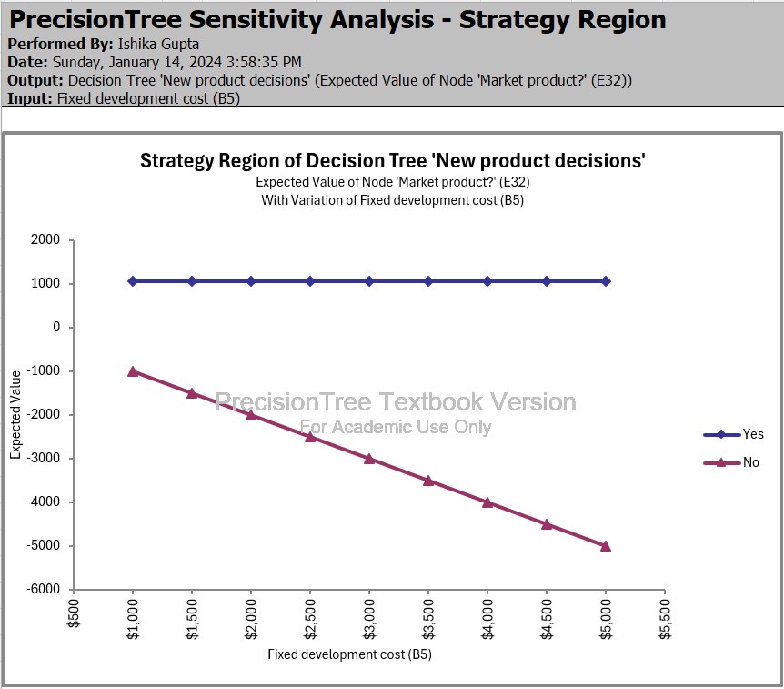
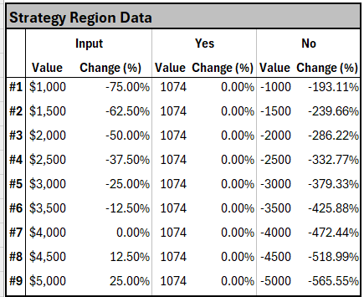
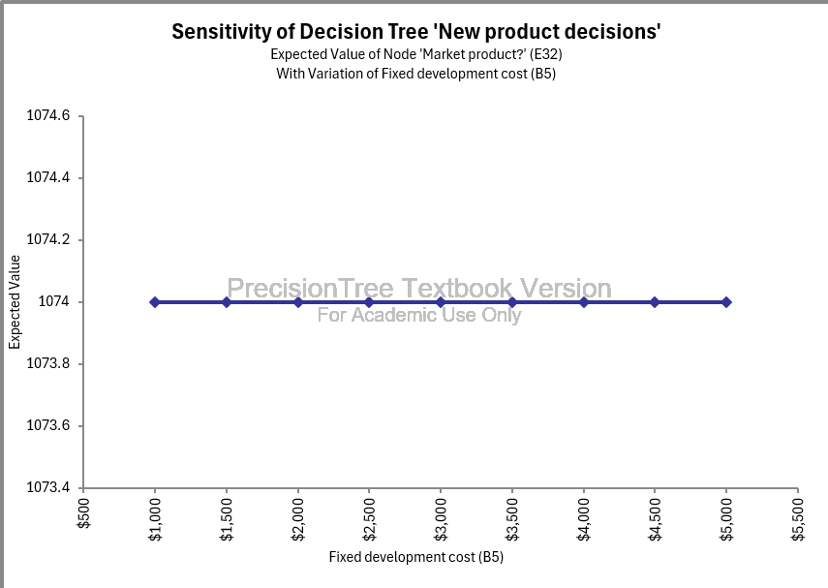

This sensitivity analysis is also done through precision tree where the starting node is 'E32' which is whether the company should market the product or not, given the company always chooses to develop the product further and it does not fail. According to the strategy graph the company should always market the product if it chooses development and the product does not fail, when the development cost ranges from $1000 to $5000.

The EMV will always be the same irrespective of an increase of fixed development cost from $1000 to $5000 if the company chooses to always develop the product

Thus, if the fixed cost of development ranges from $1000-$4000, Acme should continue devlopment of the product and then market it. If the fixed cost of development is greater than $4000, it should not develop the product and just abandon it.

